Sheet1
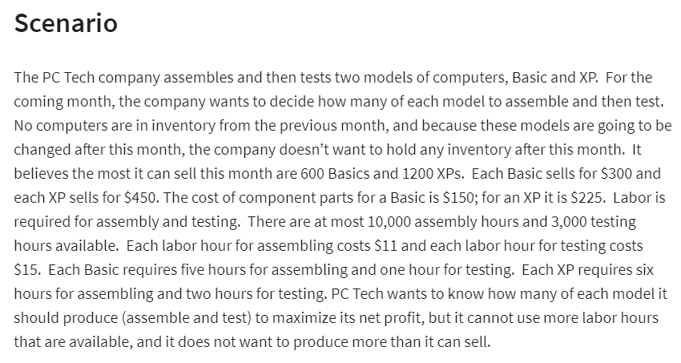
 | No.of.Basics | No.of.XP's
Variables | 560 | 1200

SUMPRODUCT(B2:C2,B9:C9)*H9
Continue

Objective?(min/max) |  |  | Total
Revenue: | 300 | 450 | 708000
Costs:
Parts: | $150 | $225 | $354,000
Labor/Assem | 5 | 6 | $110,000 |  |  | $11.00 | assembly
Labor/Testing | 1 | 2 | $44,400 |  |  | $15.00 | labor
Profit: |  |  | $199,600

Constraints: |  |  | LHS | Sign | RHS | Summary Sentence :
atmost 600 basics | 1 |  | 560 | <= | 600 | max profit = nearly 2 million now have fun =]
atmost 1200 XP's |  | 1 | 1200 | <= | 1200
Assembly Hours | 5 | 6 | 10000 | <= | 10000
Testing Hours | 1 | 2 | 2960 | <= | 3000

